Blad1
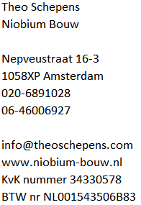

Annelies Cornelissen
Kerkstraat 381 IV
Amsterdam
INVOICE

Date |  | 2024-09-06
Invoice Number |  | 20240066

Invoice 1 of 6, Bathroom floor renovation

Payment in 6 stages
Installment | Percentage of total amount | Percentage of the work | Total to be paid (Incl. VAT) | Amount Excl. VAT | VAT @ 21% | Total Incl. VAT
1 | 25% | 2 weeks before start | € 310.50 | € 256.61 | € 53.89 | € 310.50
2 | 10% | When work starts | € 124.20
3 | 20% | At 35% work | € 248.40
4 | 20% | At 50% work | € 248.40
5 | 20% | At 75% work | € 248.40
6 | 5% | Subsequent delivery | € 62.10
Totaal |  |  | € 1,242.00
To be paid |  |  |  |  |  | € 310.50

Please transfer the amount in blue within 7 days to bank coount number NL09 INGB 0008 4080 12 in the name of Theo Schepens

